lease
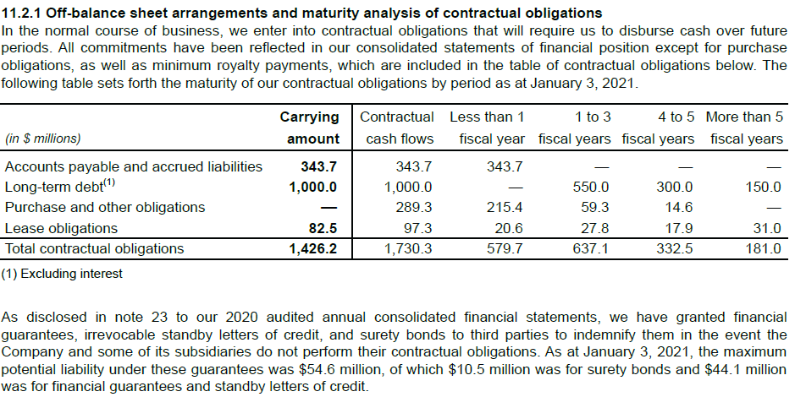
Interest Rate |  | 3.89%

Year | Commitment | PV |  | Year | Liability | Interest
0 | 20,561 | 19,791 |  | 2021 | 61,397 | 2,388
1 | 9,267 | 8,586 |  | 2022 | 52,812 | 2,054
2 | 9,267 | 8,264 |  | 2023 | 44,547 | 1,733
3 | 9,267 | 7,955 |  | 2024 | 36,593 | 1,423
4 | 9,450 | 7,808 |  | 2025 | 28,784 | 1,120
5 | 9,450 | 7,516 |  | 2026 | 21,268 | 827
6 | 3,444 | 21,268 |  | 2027 | 21,268 | 827

Years embedded in last pmt |  |  | 9

debt
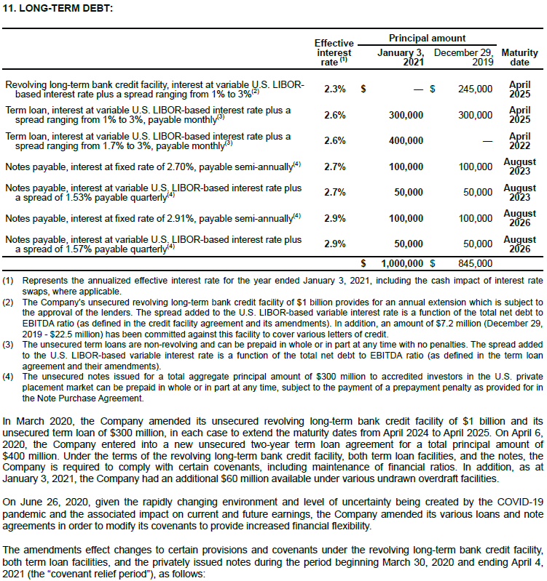
 |  |  |  |  |  | 0 | 1 | 2 | 3 | 4 | 5
 |  |  |  |  |  | Interest Payments
Floating | Effective Rate | Principal | Maturirty | Frequency | Years to Mat | 2021E | 2022E | 2023E | 2024E | 2025E | 2026E
Term Loan | 2.60% | 300,000 | 2025-04-01 | 12 | 3.93 | 7,800 | 7,800 | 7,800 | 7,800 | 0 | 0
Term Loan | 2.60% | 400,000 | 2022-04-01 | 12 | 0.93 | 10,400 | 0 | 0 | 0 | 0 | 0
Note Payable | 2.70% | 50,000 | 2023-08-01 | 4 | 2.26 | 1,350 | 1,350 | 1,350 | 0 | 0 | 0
Note Payable | 2.90% | 50,000 | 2026-08-01 | 4 | 5.26 | 1,450 | 1,450 | 1,450 | 1,450 | 1,450 | 1,450

Fixed
Note Payable | 2.70% | 100,000 | 2023-08-01 | 6 | 2.26 | 2,700 | 2,700 | 2,700 | 0 | 0 | 0
Note Payable | 2.90% | 100,000 | 2026-08-01 | 6 | 5.26 | 2,900 | 2,900 | 2,900 | 2,900 | 2,900 | 2,900

 |  |  |  |  | Interest Payment | 26,600 | 16,200 | 16,200 | 12,150 | 4,350 | 4,350
 |  |  |  |  | Principal Payment |  | 400,000 |  | 150,000

Lease Obligation | 3.89% | 82,464 |  |  | 14

